Instructions
How to Use the Flow Chart Tool
The flow chart tool is an Excel-based tool with logic build into it. We recommend reading the Summary and Recommendations report and How to Use the Flow Chart Tool (these instructions) in their entirety prior to using the tool to make any decisions about SSI/WSIs to be used by your agency.

When you open the Excel based tool you will see Steps 1-3:
Step 1. Weather Regimes/Key Concerns
Step 2. Select Variable of Interest or Available
Step 3. SSI/WSI Methods and Variables Used

Information on each step can be found in the Final Report.

Step 1. Weather Regimes/Key Concerns
Starting at Step 1 Weather Regimes, select from the four weather regimes that you would like for an SSI/WSI to consider.

Information on each weather regime can be found in the Summary and Recommendations report, under Special Weather Scenarios. Note that Freezing Rain and Widespread Frost imply ice presence, so if you are interested in an ice event weather regime, select these. Selecting a weather regime can be done by clicking your mouse on weather regime of interest.

You will notice that as you select weather regimes the Variables listed in Step 2 will be highlighted yellow.

Step 2. Select Variables of Interest or Available
Based on what you selected in Step 1 some of variables should be highlighted yellow already. Read through the list of variables and select the data variables you have available to use or are interested in using.

Information on each variable can be found in the Summary and Recommendations report, under Variable Breakdown.

You can select variables that are already highlighted or not. As you select the variables you will see that the variables listed under each SSI/WSI in Step 3 will become highlighted in yellow.

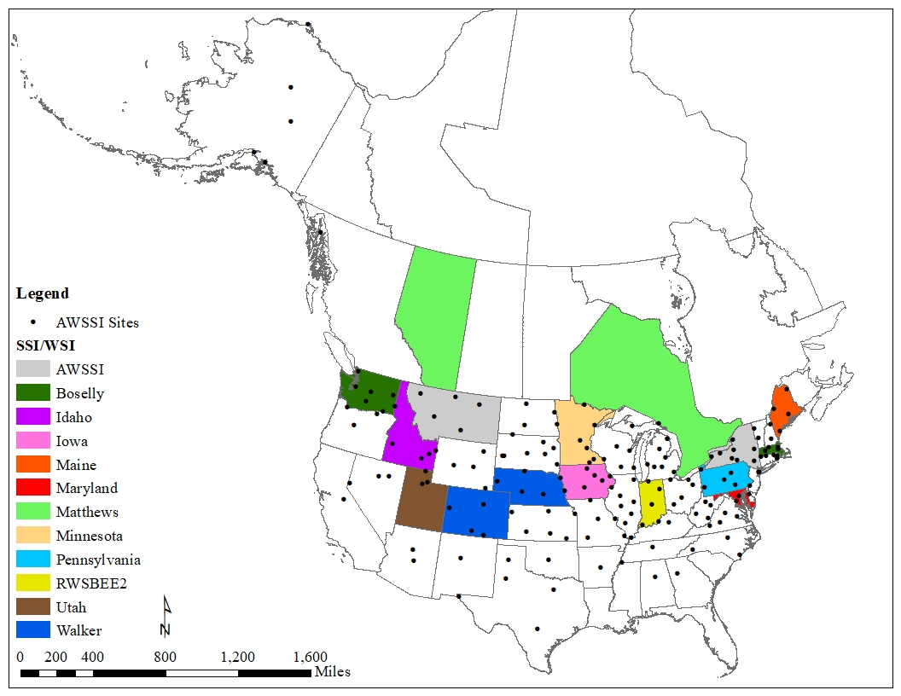
Step 3. SSI/WSI Methods and Variables Used | Map of North American SSI/WSI Methods Examined
As you move to Step 3 you will see headings for each SSI/WSI followed by a list of variables used in each.

Note that the location where the SSI/WSI is used is listed as its name or next to the name. The figure to the right provides a summary of SSI/WSI examined and discussed in detail for this project.

Based on the variables selected in Step 2, the variables used in each SSI/WSI are highlighted in yellow. You can then easily identify the SSI/WSIs that use variables that you indicated are important. To find detailed information on each SSI/WSI see the Summary and Recommendations report, under Method Breakdown.

Note that there is a heading called Other/Develop Your Own. This option is discussed at the length in the Summary and Recommendations report, Chapter 2.

With the information provided by you and the flowchart tool, your agency can look at the feasibly of using an SSI/WSI that already exist and whether developing your own SSI/WSI is the right option for you.

Once you have chosen an SSI/WSI that is right for you, you will need to determine the quality and quantity of available data from available data sources in your state. This requires time, patience, and an attention to detail. For more information on Data QA/QC, see the section of the same name in the Summary and Recommendations report.

